Sheet1
NORTHPOINT DEVELOPMENT MUA SIZING TOOL
Northpoint Development is one of the largest builders of warehouses in the country of the past few years. Many of their speculative projects will use a unique sprecification for heating and ventilation (a sample can be seen below). The background behind this specification is that Northpoint was seeing issues with sweating slab syndrome and condensation on the uninsulated tilt-up walls in their spec warehouses. Particularly this was an issue in the shoulder seasons, and this purge sequence proved to be an effective solution reduce the indoor humidity levels. Additionally, they incorporate HVLS fans in many of their specs to provide air movement and promote evaporation. This tool is intended to aid in selecting recirculating DGX units to meet the requirements of this spec. Once a DGX is selected exhaust fans should be selected to match the total airflow of the units, typically RBUMOs or GBs are excellent options.

Step 1: Use the Greenheat CAPS "calculate system" tool to obtain the heating load for the building.
 |  |  |  |  |  |  |  |  |  |  |  |  | Sample specification

BUILDING INPUTS |  |  |  |  |  |  |  | TYPICAL SPECIFICATION
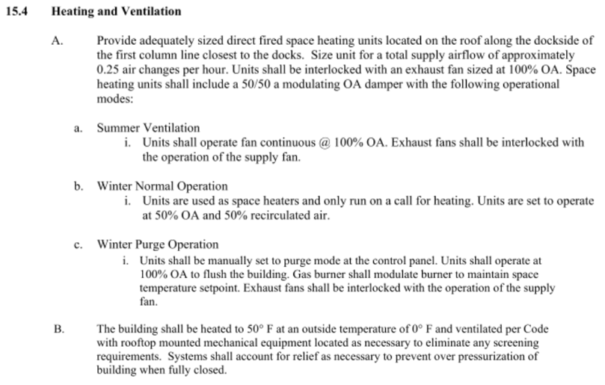
Step 2: Enter the building information and heating loads into this spreadsheet.
 | Winter DB | 4.9
 | Space Temperature | 50
 | Height | 40
 | Area | 567,840
 | Perimeter | 3224

 | Skin Load | 5264
 | Infiltration Load | 2918
 | Total Load | 8182

 | Total Airflow Rate | 0.25 | ACH | = | 94,640 | CFM

UNIT SPECIFICATIONS

 |  | QTY | CFM | MBH Input | MBH Output | LAT | Temp Rise | Skin Load LAT | Total Load LAT | SCFM | Usable Heat | Total Output
 | Recommended QTY | 6 | 15,773 | 2,023 | 1,861 | 114.2 | 109.3 | 104.9 | 114.2 | 14560 | 6054 | 8182
 | Custom QTY | 4 | 23,660 | 3,035 | 2,792 | 114.2 | 109.3 | 104.9 | 114.2 | 21840 | 6054 | 8182
 | Exceeds max LAT, need more airflow use selection below

 |  | QTY | CFM | MBH Input | MBH Output | LAT | Temp Rise | Skin SCFM | Total SCFM
 | Recommended QTY | 6 | 16,450 | 2,030 | 1,867 | 110 | 105.1 | 13539 | 15296 | 15296 | 5947 | 8182
 | Custom QTY | 4 | 24,675 | 3,044 | 2,801 | 110 | 105.1 | 20309 | 22943 | 22943 | 5947 | 8182
Step 3: Select recirculating DGX units to match the unit specifications shown here. Recommended accessories include: 3-way diffuser with elbow Unit controls = Remote Panel Temperature Control = Room Control
Recirculation Control = Modulating - Potentiometer
Freeze Protection
 |  |  |  |  |  |  |  | 110 | 110

Step 4: Send to TAP@greenheck.com requesting the "Northpoint 50/50 Purge Sequence SDR" with a copy of the spec, typically it would be similar to what is shown above. With this SDR the MUA controls will be configured to meet the sequence and provide a contact to interlock the exhaust fan as required. This contact provided in the MUA remote panel can be wired to the exhaust fan starter to provide a run command. The exhaust fan starters can be field provided or selected in CAPS with the fans.

